Approach
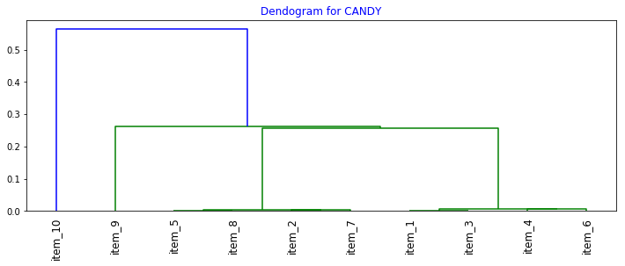
First version of Dendrogram w/o any enhacement
from_upc | item_1 | item_2 | item_3 | item_4 | item_5 | item_6 | item_7 | item_8 | item_9 | item_10
item_1 | 0 | 0.0013831258645 | 0.00012001920307 | 0.00076045627376 | 0.00061274509804 | 0.0011547344111 | 0.0014792899408 | 1 | 1 | 1 | Cluster-1
item_2 | 0.0013831258645 | 0 | 0.009009009009 | 0.014285714286 | 0.0089285714286 | 0.011764705882 | 0.0035714285714 | 0.001321003963 | 0.023255813953 | 0.0044444444444 | Cluster-1
item_3 | 0.00012001920307 | 0.009009009009 | 0 | 0.014492753623 | 0.007874015748 | 0.013157894737 | 0.011764705882 | 1 | 0.011235955056 | 1 | Cluster-1
item_4 | 0.00076045627376 | 0.014285714286 | 0.014492753623 | 0 | 0.0035714285714 | 0.0059523809524 | 0.0087719298246 | 1 | 0.020408163265 | 0.0086956521739 | Cluster-1
item_5 | 0.00061274509804 | 0.0089285714286 | 0.007874015748 | 0.0035714285714 | 0 | 0.006711409396 | 0.0077519379845 | 0.00058411214953 | 0.018518518519 | 1 | Cluster-1
item_6 | 0.0011547344111 | 0.011764705882 | 0.013157894737 | 0.0059523809524 | 0.006711409396 | 0 | 0.011627906977 | 1 | 0.012658227848 | 0.032258064516 | Cluster-1
item_7 | 0.0014792899408 | 0.0035714285714 | 0.011764705882 | 0.0087719298246 | 0.0077519379845 | 0.011627906977 | 0 | 0.002808988764 | 0.0060606060606 | 0.021276595745 | Cluster-1
item_8 | 1 | 0.001321003963 | 1 | 1 | 0.00058411214953 | 1 | 0.002808988764 | 0 | 0.00023 | 1
item_9 | 1 | 0.023255813953 | 0.011235955056 | 0.020408163265 | 0.018518518519 | 0.012658227848 | 0.0060606060606 | 0.00023 | 0 | 1 | Cluster-2
item_10 | 1 | 0.0044444444444 | 1 | 0.0086956521739 | 1 | 0.032258064516 | 0.021276595745 | 1 | 1 | 0

 | 3 | 0 | 2 | 1 | 1 | 1 | 0 | 5 | 2 | 5
 | 9 | 9 | 9 | 9 | 9 | 9 | 9 | 9 | 9 | 9
 | 33.33% | 0.00% | 22.22% | 11.11% | 11.11% | 11.11% | 0.00% | 55.56% | 22.22% | 55.56%

 | 0.00012001920307 | 0.001321003963 |  |  |  |  | Cluster-1 | 0.57210201498 |  | 0.01666868922
 |  |  |  |  |  |  | Cluster-2 | 0.00023 |  | 1
 |  |  |  |  |  |  | Min | 0.00023 |  | 0.0044444444444

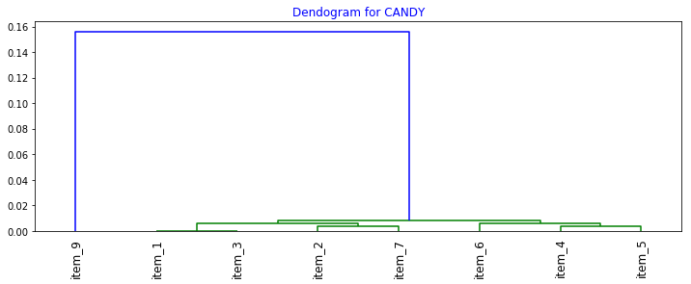
Excluding those items having <50% affiliation with their co-items: Initial groups
from_upc | item_1 | item_2 | item_3 | item_4 | item_5 | item_6 | item_7 | item_9
item_1 | 0 | 0.0013831258645 | 0.00012001920307 | 0.00076045627376 | 0.00061274509804 | 0.0011547344111 | 0.0014792899408 | 1
item_2 | 0.0013831258645 | 0 | 0.009009009009 | 0.014285714286 | 0.0089285714286 | 0.011764705882 | 0.0035714285714 | 0.023255813953
item_3 | 0.00012001920307 | 0.009009009009 | 0 | 0.014492753623 | 0.007874015748 | 0.013157894737 | 0.011764705882 | 0.011235955056
item_4 | 0.00076045627376 | 0.014285714286 | 0.014492753623 | 0 | 0.0035714285714 | 0.0059523809524 | 0.0087719298246 | 0.020408163265
item_5 | 0.00061274509804 | 0.0089285714286 | 0.007874015748 | 0.0035714285714 | 0 | 0.006711409396 | 0.0077519379845 | 0.018518518519
item_6 | 0.0011547344111 | 0.011764705882 | 0.013157894737 | 0.0059523809524 | 0.006711409396 | 0 | 0.011627906977 | 0.012658227848
item_7 | 0.0014792899408 | 0.0035714285714 | 0.011764705882 | 0.0087719298246 | 0.0077519379845 | 0.011627906977 | 0 | 0.0060606060606
item_9 | 1 | 0.023255813953 | 0.011235955056 | 0.020408163265 | 0.018518518519 | 0.012658227848 | 0.0060606060606 | 0

 | 1 | 0 | 0 | 0 | 0 | 0 | 0 | 1
 | 7 | 7 | 7 | 7 | 7 | 7 | 7 | 7
 | 14.29% | 0.00% | 0.00% | 0.00% | 0.00% | 0.00% | 0.00% | 14.29%

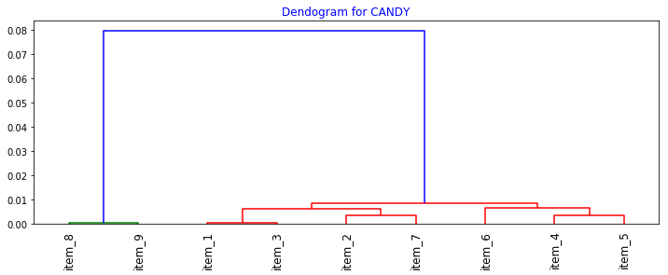

Brining back item_8 into dendrogram which was grouped with Item_9
from_upc | item_1 | item_2 | item_3 | item_4 | item_5 | item_6 | item_7 | item_8 | item_9
item_1 | 0 | 0.0013831258645 | 0.00012001920307 | 0.00076045627376 | 0.00061274509804 | 0.0011547344111 | 0.0014792899408 | 0.0015713682922 | 1 | Cluster-1
item_2 | 0.0013831258645 | 0 | 0.009009009009 | 0.014285714286 | 0.0089285714286 | 0.011764705882 | 0.0035714285714 | 0.001321003963 | 0.023255813953 | Cluster-1
item_3 | 0.00012001920307 | 0.009009009009 | 0 | 0.014492753623 | 0.007874015748 | 0.013157894737 | 0.011764705882 | 0.0015713682922 | 0.011235955056 | Cluster-1
item_4 | 0.00076045627376 | 0.014285714286 | 0.014492753623 | 0 | 0.0035714285714 | 0.0059523809524 | 0.0087719298246 | 0.0015713682922 | 0.020408163265 | Cluster-1
item_5 | 0.00061274509804 | 0.0089285714286 | 0.007874015748 | 0.0035714285714 | 0 | 0.006711409396 | 0.0077519379845 | 0.00058411214953 | 0.018518518519 | Cluster-1
item_6 | 0.0011547344111 | 0.011764705882 | 0.013157894737 | 0.0059523809524 | 0.006711409396 | 0 | 0.011627906977 | 0.0015713682922 | 0.012658227848 | Cluster-1
item_7 | 0.0014792899408 | 0.0035714285714 | 0.011764705882 | 0.0087719298246 | 0.0077519379845 | 0.011627906977 | 0 | 0.002808988764 | 0.0060606060606 | Cluster-1
item_8 | 0.0015713682922 | 0.001321003963 | 0.0015713682922 | 0.0015713682922 | 0.00058411214953 | 0.0015713682922 | 0.002808988764 | 0 | 0.00023
item_9 | 1 | 0.023255813953 | 0.011235955056 | 0.020408163265 | 0.018518518519 | 0.012658227848 | 0.0060606060606 | 0.00023 | 0 | Cluster-2

 |  |  |  | Cluster-Means |  | Cluster-1 |  | 0.0015713682922
 |  |  |  |  |  | Cluster-2 |  | 0.00023

Note: Here affiiliation as 0(or dist as 1) was replaced with their cluster means(highlighted in green)

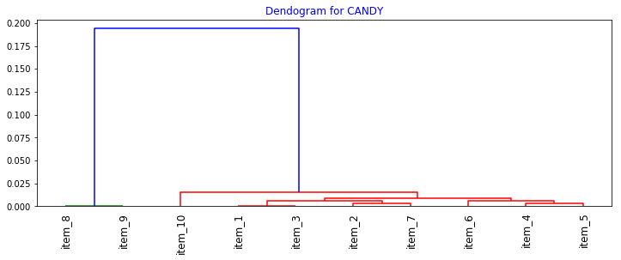

Brining back item_10 into dendrogram which was grouped into cluster-1
from_upc | item_1 | item_2 | item_3 | item_4 | item_5 | item_6 | item_7 | item_8 | item_9 | item_10
item_1 | 0 | 0.0013831258645 | 0.00012001920307 | 0.00076045627376 | 0.00061274509804 | 0.0011547344111 | 0.0014792899408 | 0.0015713682922 | 1 | 0.013334951376 | Cluster-1
item_2 | 0.0013831258645 | 0 | 0.009009009009 | 0.014285714286 | 0.0089285714286 | 0.011764705882 | 0.0035714285714 | 0.001321003963 | 0.023255813953 | 0.0044444444444 | Cluster-1
item_3 | 0.00012001920307 | 0.009009009009 | 0 | 0.014492753623 | 0.007874015748 | 0.013157894737 | 0.011764705882 | 0.0015713682922 | 0.011235955056 | 0.013334951376 | Cluster-1
item_4 | 0.00076045627376 | 0.014285714286 | 0.014492753623 | 0 | 0.0035714285714 | 0.0059523809524 | 0.0087719298246 | 0.0015713682922 | 0.020408163265 | 0.0086956521739 | Cluster-1
item_5 | 0.00061274509804 | 0.0089285714286 | 0.007874015748 | 0.0035714285714 | 0 | 0.006711409396 | 0.0077519379845 | 0.00058411214953 | 0.018518518519 | 0.013334951376 | Cluster-1
item_6 | 0.0011547344111 | 0.011764705882 | 0.013157894737 | 0.0059523809524 | 0.006711409396 | 0 | 0.011627906977 | 0.0015713682922 | 0.012658227848 | 0.032258064516 | Cluster-1
item_7 | 0.0014792899408 | 0.0035714285714 | 0.011764705882 | 0.0087719298246 | 0.0077519379845 | 0.011627906977 | 0 | 0.002808988764 | 0.0060606060606 | 0.021276595745 | Cluster-1
item_8 | 0.0015713682922 | 0.001321003963 | 0.0015713682922 | 0.0015713682922 | 0.00058411214953 | 0.0015713682922 | 0.002808988764 | 0 | 0.00023 | 1
item_9 | 1 | 0.023255813953 | 0.011235955056 | 0.020408163265 | 0.018518518519 | 0.012658227848 | 0.0060606060606 | 0.00023 | 0 | 1 | Cluster-2
item_10 | 0.013334951376 | 0.0044444444444 | 0.013334951376 | 0.0086956521739 | 0.013334951376 | 0.032258064516 | 0.021276595745 | 1 | 1 | 0

 |  |  |  |  |  | Cluster-Means |  | Cluster-1 |  | 0.013334951376
 |  |  |  |  |  |  |  | Cluster-2 |  | 1
Note: Here affiiliation as 0(or dist as 1) was replaced with their cluster means(highlighted in green)

Items |  |  |  |  | Items | Clusters | Predict Cluster
(C) M&MS PEANUT SHARING SIZE-4000052274 |  |  |  |  | item_1 | 1 | 1
HERSHEY COOKIE-N-CRM 1.55OZ-40000224884 |  |  |  |  | item_2 | 1 | 1
HERSHEY KIT KAT BIG KAT KG SE 3OZ-40000981701 |  |  |  |  | item_3 | 1 | 1
HERSHEY REESE P/B CUP D/CHOC1.5OZ-40000219155 |  |  |  |  | item_4 | 1 | 1
HERSHEY REESESTKS 15120 1.5OZ-40000249851 |  |  |  |  | item_5 | 1 | 1
HERSHEY YORK PEPP 330 1.4OZ-40000224897 |  |  |  |  | item_6 | 1 | 1
HERSHEYS GOLD W/PNTS&PRTZEL 1.4OZ-40000828299 |  |  |  |  | item_7 | 1 | 1
(C) SNICKERS TREES 2-TO-GO BARS-4000049383 |  |  |  |  | item_8 | ????? | 2
(C)HOT TAMALES STKNG STFF T/B 5OZ-40000830879 |  |  |  |  | item_9 | 2 | 2
(H)M&M MINIS MC MEGATUBE 1.77OZ-40000996883 |  |  |  |  | item_10 | ????? | 1

Cluster-2

Cluster-3
Cluster-1

